Instructions
MIATAS | NON-MIATA

1) Go To "Miata Tech & Classing Tab at bottom of screen | 1) Go To "Non-Miata Tech & Classing Tab at bottom of screen

2) Fill Out Green Boxes with your information | 2) Fill Out Green Boxes with your information
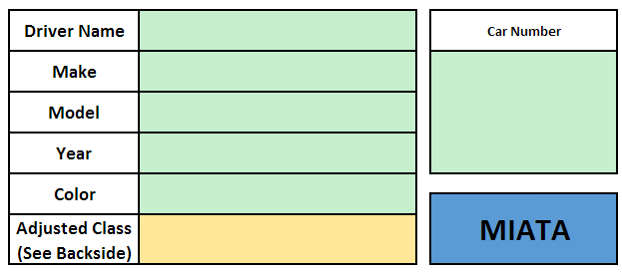
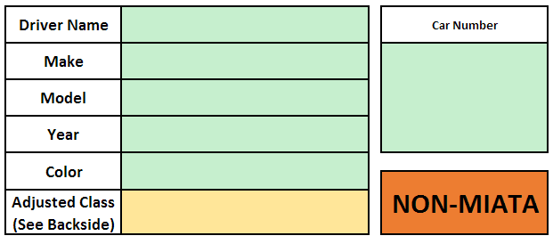

3) Before the autocross, confirm your "Vehicle Safety Review" | 3) Before the autocross, confirm your "Vehicle Safety Review"
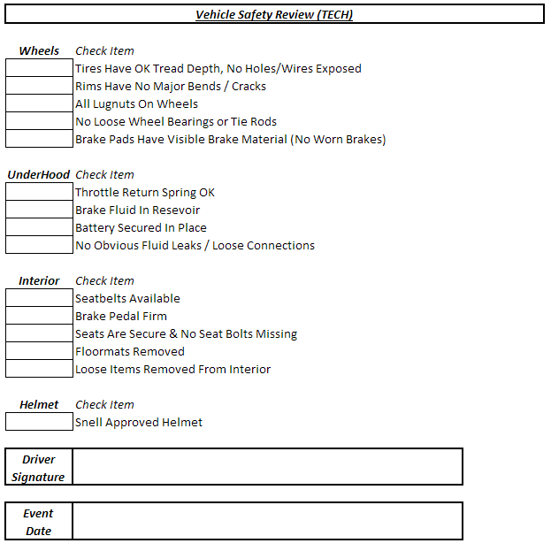

4) Enter you Miata Generation and Tire Size from the drop down menu's | 4) Locate the "Vehicle Base Points" tab at the bottom of the screen, and look up what your make/model/generation's
 | vehicle base points are. If your vehicle is not listed, continue onto step 5 (A tech inspection worker at the autocross
 | will help you determine your vehicle base points)

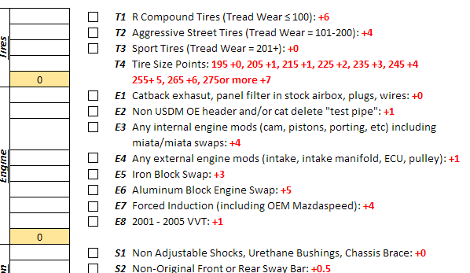
5) Review your modifications and click the box to determine your modification points
 |  | For example, 2007 Honda Civic SI

 | 5) Enter your Vehicle Base Points and Largest Tire Size on your vehicle into the drop down menu

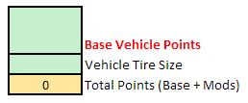

6) Once you are done selecting modifcations, your final class will be calculated
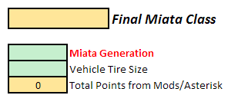

 | 6) Review your modifications and click the box to determine your modification points
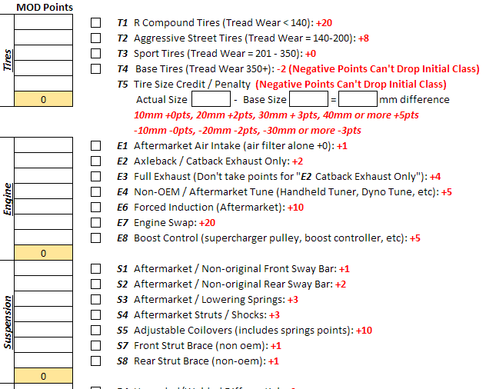

7) Print off your form and bring along with you to the BMC autocross event!

 |  | Note: Base Tire size is your Vehicle Base Point's Base Tire size, not your vehicles
 |  | base tire size

 | 7) Once you are done selecting modifcations, your final class will be calculated
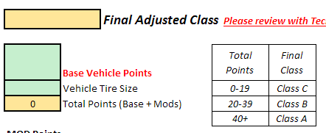

 | 8) Print off your form and bring along with you to the BMC autocross event!

